fire works
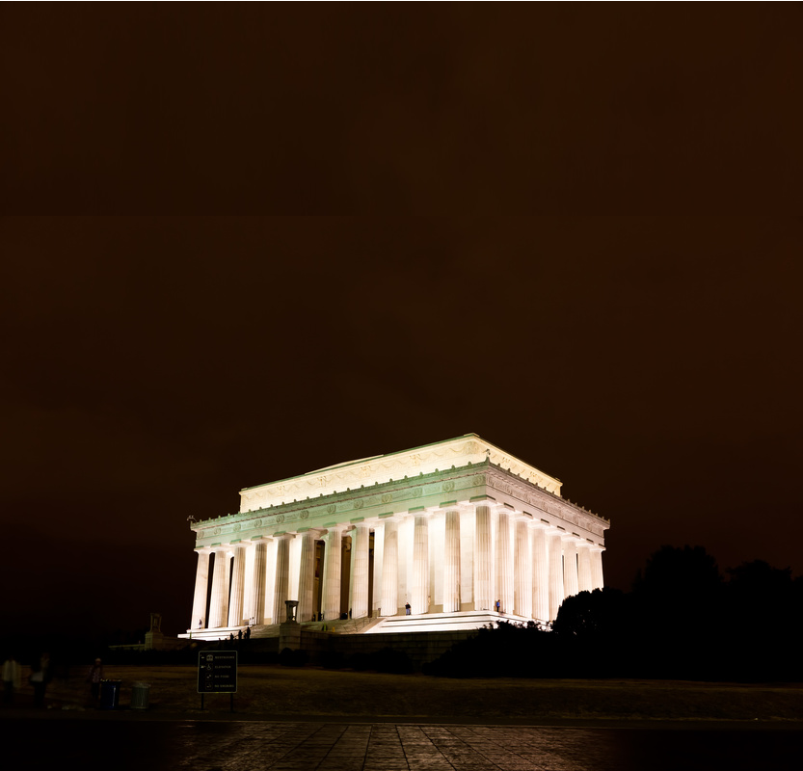
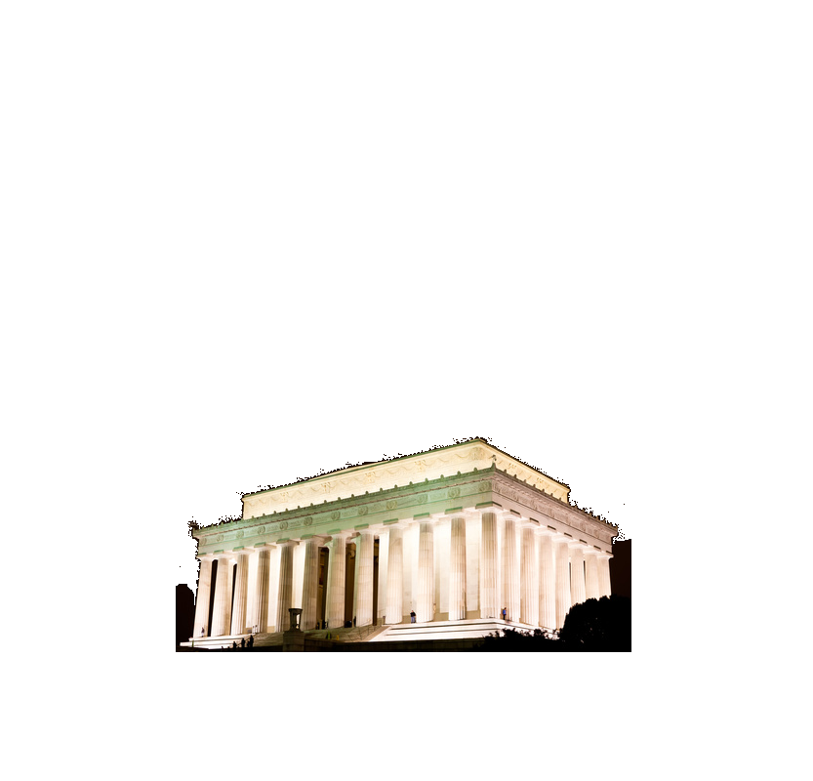
 | C1 |  | C1 flower |  | C2 |  | C2 flower |  | C3 |  | C4 |  | C5 |  | C6 |  | C7 |  | C8 |  | C9 |  | C10
20.0 | 0.0 | 41.772970604 | 87.326615365 | 120.0 | 0.0 | 108.86615192 | 79.221445499 | 30.0 | 0.0 | 10.0 | 0.0 | 70.0 | 0.0 | 100.0 | 0.0 | 100.0 | 0.0 | 40.0 | 0.0 | 50.0 | 0.0 | 60.0 | 0.0
20.0 | 0.0 | 41.772970604 | 87.326615365 | 120.0 | 0.0 | 108.86615192 | 79.221445499 | 30.0 | 0.0 | 10.0 | 0.0 | 70.0 | 0.0 | 100.0 | 0.0 | 100.0 | 0.0 | 40.0 | 0.0 | 50.0 | 0.0 | 60.0 | 0.0
 |  | 41.772970604 | 87.326615365 |  |  | 108.86615192 | 79.221445499
 |  | 41.772970604 | 87.326615365 |  |  | 108.86615192 | 79.221445499
 |  | 41.772970604 | 87.326615365 |  |  | 108.86615192 | 79.221445499
 |  | 41.772970604 | 87.326615365 |  |  | 108.86615192 | 79.221445499
 |  | 41.772970604 | 87.326615365 |  |  | 108.86615192 | 79.221445499
 |  | 41.772970604 | 87.326615365 |  |  | 108.86615192 | 79.221445499
 |  | 41.772970604 | 87.326615365 |  |  | 108.86615192 | 79.221445499
 |  | 41.772970604 | 87.326615365 |  |  | 108.86615192 | 79.221445499
 |  | 41.772970604 | 87.326615365 |  |  | 108.86615192 | 79.221445499
 |  | 41.772970604 | 87.326615365 |  |  | 108.86615192 | 79.221445499
 |  | 41.772970604 | 87.326615365 |  |  | 108.86615192 | 79.221445499
 |  | 41.772970604 | 87.326615365 |  |  | 108.86615192 | 79.221445499
 |  | 41.772970604 | 87.326615365 |  |  | 108.86615192 | 79.221445499
 |  | 41.772970604 | 87.326615365 |  |  | 108.86615192 | 79.221445499
 |  | 41.772970604 | 87.326615365 |  |  | 108.86615192 | 79.221445499
 |  | 41.772970604 | 87.326615365 |  |  | 108.86615192 | 79.221445499
 |  | 41.772970604 | 87.326615365 |  |  | 108.86615192 | 79.221445499
 |  | 41.772970604 | 87.326615365 |  |  | 108.86615192 | 79.221445499
 |  | 41.772970604 | 87.326615365 |  |  | 108.86615192 | 79.221445499
 |  | 41.772970604 | 87.326615365 |  |  | 108.86615192 | 79.221445499
 |  | 41.772970604 | 87.326615365 |  |  | 108.86615192 | 79.221445499
 |  | 41.772970604 | 87.326615365 |  |  | 108.86615192 | 79.221445499
 |  | 41.772970604 | 87.326615365 |  |  | 108.86615192 | 79.221445499
 |  | 41.772970604 | 87.326615365 |  |  | 108.86615192 | 79.221445499
 |  | 41.772970604 | 87.326615365 |  |  | 108.86615192 | 79.221445499
 |  | 41.772970604 | 87.326615365 |  |  | 108.86615192 | 79.221445499
 |  | 41.772970604 | 87.326615365 |  |  | 108.86615192 | 79.221445499
 |  | 41.772970604 | 87.326615365 |  |  | 108.86615192 | 79.221445499
 |  | 41.772970604 | 87.326615365 |  |  | 108.86615192 | 79.221445499
 |  | 41.772970604 | 87.326615365 |  |  | 108.86615192 | 79.221445499
 |  | 41.772970604 | 87.326615365 |  |  | 108.86615192 | 79.221445499
 |  | 41.772970604 | 87.326615365 |  |  | 108.86615192 | 79.221445499
 |  | 41.772970604 | 87.326615365 |  |  | 108.86615192 | 79.221445499
 |  | 41.772970604 | 87.326615365 |  |  | 108.86615192 | 79.221445499
 |  | 41.772970604 | 87.326615365 |  |  | 108.86615192 | 79.221445499
 |  | 41.772970604 | 87.326615365 |  |  | 108.86615192 | 79.221445499
 |  | 41.772970604 | 87.326615365 |  |  | 108.86615192 | 79.221445499
 |  | 41.772970604 | 87.326615365 |  |  | 108.86615192 | 79.221445499
 |  | 41.772970604 | 87.326615365 |  |  | 108.86615192 | 79.221445499
 |  | 41.772970604 | 87.326615365 |  |  | 108.86615192 | 79.221445499
 |  | 41.772970604 | 87.326615365 |  |  | 108.86615192 | 79.221445499
 |  | 41.772970604 | 87.326615365 |  |  | 108.86615192 | 79.221445499
 |  | 41.772970604 | 87.326615365 |  |  | 108.86615192 | 79.221445499
 |  | 41.772970604 | 87.326615365 |  |  | 108.86615192 | 79.221445499
 |  | 41.772970604 | 87.326615365 |  |  | 108.86615192 | 79.221445499
 |  | 41.772970604 | 87.326615365 |  |  | 108.86615192 | 79.221445499
 |  | 41.772970604 | 87.326615365 |  |  | 108.86615192 | 79.221445499
 |  | 41.772970604 | 87.326615365 |  |  | 108.86615192 | 79.221445499
...
Visit Chandoo.org

Reset
fireworks made by chandoo.org.
Start Fireworks

